JUST CAVALLI BEACHWEAR
 |  |  |  |  |  |  |  |  |  |  | 23538 |  | € 827,997.00 |  | € 1,991,355.00
Pic | Brand | Gender | Group | Composition | COO | SKU | Color Name | EAN | HS Code | SIZE | QTY | WHS | Tot WHS | RRP | Tot RRP
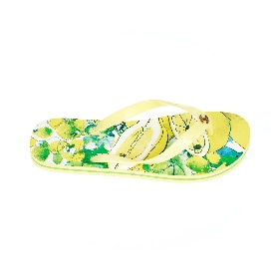 | J. CAVALLI Beachwear | WOMEN | FLIP FLOPS | EVA+PVC | CHINA | 194 151 RBC | GIALLO | 8300816306672 | 6401.10.00 | 39 | 1 | € 23.00 | € 23.00 | € 55.00 | € 55.00
 | J. CAVALLI Beachwear | WOMEN | FLIP FLOPS | EVA+PVC | CHINA | 194 151 RBC | GIALLO | 8300816306689 | 6401.10.00 | 40 | 1 | € 23.00 | € 23.00 | € 55.00 | € 55.00
 | J. CAVALLI Beachwear | WOMEN | FLIP FLOPS | EVA+PVC | CHINA | 194 151 RBC | GIALLO | 8300816306696 | 6401.10.00 | 41 | 2 | € 23.00 | € 46.00 | € 55.00 | € 110.00
 | J. CAVALLI Beachwear | WOMEN | T-SHIRTS | 100%cotone | PAKISTAN | D45 151 GRBC | ORANGE | 8300816304495 | 6109.10.00 | S | 15 | € 29.00 | € 435.00 | € 70.00 | € 1,050.00
 | J. CAVALLI Beachwear | WOMEN | T-SHIRTS | 100%cotone | PAKISTAN | D45 151 GRBC | ORANGE | 8300816304500 | 6109.10.00 | M | 37 | € 29.00 | € 1,073.00 | € 70.00 | € 2,590.00
 | J. CAVALLI Beachwear | WOMEN | T-SHIRTS | 100%cotone | PAKISTAN | D45 151 GRBC | ORANGE | 8300816304517 | 6109.10.00 | L | 16 | € 29.00 | € 464.00 | € 70.00 | € 1,120.00
 | J. CAVALLI Beachwear | WOMEN | T-SHIRTS | 100%cotone | PAKISTAN | D45 151 GRBC | ORANGE | 8300816304524 | 6109.10.00 | XL | 17 | € 29.00 | € 493.00 | € 70.00 | € 1,190.00
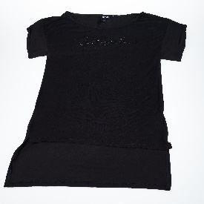 | J. CAVALLI Beachwear | WOMEN | T-SHIRTS | 100%cotone | PAKISTAN | D45 151 GRBC | NERO | 8300816304548 | 6109.10.00 | S | 1 | € 29.00 | € 29.00 | € 70.00 | € 70.00
 | J. CAVALLI Beachwear | WOMEN | T-SHIRTS | 100%cotone | PAKISTAN | D45 151 GRBC | NERO | 8300816304555 | 6109.10.00 | M | 4 | € 29.00 | € 116.00 | € 70.00 | € 280.00
 | J. CAVALLI Beachwear | WOMEN | T-SHIRTS | 100%cotone | PAKISTAN | D45 151 GRBC | NERO | 8300816304562 | 6109.10.00 | L | 3 | € 29.00 | € 87.00 | € 70.00 | € 210.00
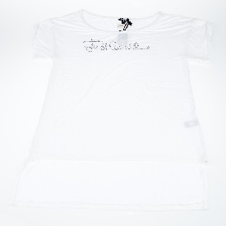 | J. CAVALLI Beachwear | WOMEN | T-SHIRTS | 100%cotone | PAKISTAN | D45 151 GRBC | BIANCO | 8300816304593 | 6109.10.00 | S | 1 | € 29.00 | € 29.00 | € 70.00 | € 70.00
 | J. CAVALLI Beachwear | WOMEN | T-SHIRTS | 100%cotone | PAKISTAN | D45 151 GRBC | BIANCO | 8300816304609 | 6109.10.00 | M | 3 | € 29.00 | € 87.00 | € 70.00 | € 210.00
 | J. CAVALLI Beachwear | WOMEN | T-SHIRTS | 100%cotone | PAKISTAN | D45 151 GRBC | BIANCO | 8300816304616 | 6109.10.00 | L | 3 | € 29.00 | € 87.00 | € 70.00 | € 210.00
 | J. CAVALLI Beachwear | WOMEN | T-SHIRTS | 100%cotone | PAKISTAN | D45 151 GRBC | BIANCO | 8300816304623 | 6109.10.00 | XL | 1 | € 29.00 | € 29.00 | € 70.00 | € 70.00
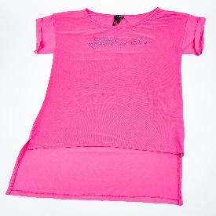 | J. CAVALLI Beachwear | WOMEN | T-SHIRTS | 100%cotone | PAKISTAN | D45 151 GRBC | FUCSIA | 8300816304456 | 6109.10.00 | M | 2 | € 29.00 | € 58.00 | € 70.00 | € 140.00
 | J. CAVALLI Beachwear | WOMEN | T-SHIRTS | 100%cotone | PAKISTAN | D45 151 GRBC | FUCSIA | 8300816304463 | 6109.10.00 | L | 3 | € 29.00 | € 87.00 | € 70.00 | € 210.00
 | J. CAVALLI Beachwear | WOMEN | T-SHIRTS | 100%cotone | PAKISTAN | D45 151 GRBC | FUCSIA | 8300816304470 | 6109.10.00 | XL | 1 | € 29.00 | € 29.00 | € 70.00 | € 70.00
 | J. CAVALLI Beachwear | WOMEN | T-SHIRTS | 100%cotone | PAKISTAN | L44 151 GRBC | WHITE/ORANGE | 8300816307174 | 6109.10.00 | S | 393 | € 29.00 | € 11,397.00 | € 70.00 | € 27,510.00
 | J. CAVALLI Beachwear | WOMEN | T-SHIRTS | 100%cotone | PAKISTAN | L44 151 GRBC | WHITE/ORANGE | 8300816307181 | 6109.10.00 | M | 801 | € 29.00 | € 23,229.00 | € 70.00 | € 56,070.00
 | J. CAVALLI Beachwear | WOMEN | T-SHIRTS | 100%cotone | PAKISTAN | L44 151 GRBC | WHITE/ORANGE | 8300816307198 | 6109.10.00 | L | 805 | € 29.00 | € 23,345.00 | € 70.00 | € 56,350.00
 | J. CAVALLI Beachwear | WOMEN | T-SHIRTS | 100%cotone | PAKISTAN | L44 151 GRBC | WHITE/ORANGE | 8300816307204 | 6109.10.00 | XL | 391 | € 29.00 | € 11,339.00 | € 70.00 | € 27,370.00
 | J. CAVALLI Beachwear | WOMEN | T-SHIRTS | 100%cotone | PAKISTAN | L44 151 GRBC | WHITE/MAGENTA | 8300816151593 | 6109.10.00 | S | 334 | € 29.00 | € 9,686.00 | € 70.00 | € 23,380.00
 | J. CAVALLI Beachwear | WOMEN | T-SHIRTS | 100%cotone | PAKISTAN | L44 151 GRBC | WHITE/MAGENTA | 8300816151609 | 6109.10.00 | M | 721 | € 29.00 | € 20,909.00 | € 70.00 | € 50,470.00
 | J. CAVALLI Beachwear | WOMEN | T-SHIRTS | 100%cotone | PAKISTAN | L44 151 GRBC | WHITE/MAGENTA | 8300816151616 | 6109.10.00 | L | 707 | € 29.00 | € 20,503.00 | € 70.00 | € 49,490.00
 | J. CAVALLI Beachwear | WOMEN | T-SHIRTS | 100%cotone | PAKISTAN | L44 151 GRBC | WHITE/MAGENTA | 8300816151623 | 6109.10.00 | XL | 346 | € 29.00 | € 10,034.00 | € 70.00 | € 24,220.00
 | J. CAVALLI Beachwear | WOMEN | VESTS | 96%VISCOSA 4%ELASTAN | PAKISTAN | D40 151 GRBC | LIME | 8300816304340 | 6109.10.00 | S | 238 | € 29.00 | € 6,902.00 | € 70.00 | € 16,660.00
 | J. CAVALLI Beachwear | WOMEN | VESTS | 96%VISCOSA 4%ELASTAN | PAKISTAN | D40 151 GRBC | LIME | 8300816304357 | 6109.10.00 | M | 576 | € 29.00 | € 16,704.00 | € 70.00 | € 40,320.00
 | J. CAVALLI Beachwear | WOMEN | VESTS | 96%VISCOSA 4%ELASTAN | PAKISTAN | D40 151 GRBC | LIME | 8300816304364 | 6109.10.00 | L | 598 | € 29.00 | € 17,342.00 | € 70.00 | € 41,860.00
 | J. CAVALLI Beachwear | WOMEN | VESTS | 96%VISCOSA 4%ELASTAN | PAKISTAN | D40 151 GRBC | LIME | 8300816304371 | 6109.10.00 | XL | 284 | € 29.00 | € 8,236.00 | € 70.00 | € 19,880.00
 | J. CAVALLI Beachwear | WOMEN | VESTS | 96%VISCOSA 4%ELASTAN | PAKISTAN | D40 151 GRBC | FUCSIA | 8300816304142 | 6109.10.00 | S | 189 | € 29.00 | € 5,481.00 | € 70.00 | € 13,230.00
 | J. CAVALLI Beachwear | WOMEN | VESTS | 96%VISCOSA 4%ELASTAN | PAKISTAN | D40 151 GRBC | FUCSIA | 8300816304159 | 6109.10.00 | M | 500 | € 29.00 | € 14,500.00 | € 70.00 | € 35,000.00
 | J. CAVALLI Beachwear | WOMEN | VESTS | 96%VISCOSA 4%ELASTAN | PAKISTAN | D40 151 GRBC | FUCSIA | 8300816304166 | 6109.10.00 | L | 534 | € 29.00 | € 15,486.00 | € 70.00 | € 37,380.00
 | J. CAVALLI Beachwear | WOMEN | VESTS | 96%VISCOSA 4%ELASTAN | PAKISTAN | D40 151 GRBC | FUCSIA | 8300816304173 | 6109.10.00 | XL | 266 | € 29.00 | € 7,714.00 | € 70.00 | € 18,620.00
 | J. CAVALLI Beachwear | WOMEN | VESTS | 96%VISCOSA 4%ELASTAN | PAKISTAN | D40 151 GRBC | ORANGE | 8300816304197 | 6109.10.00 | S | 173 | € 29.00 | € 5,017.00 | € 70.00 | € 12,110.00
 | J. CAVALLI Beachwear | WOMEN | VESTS | 96%VISCOSA 4%ELASTAN | PAKISTAN | D40 151 GRBC | ORANGE | 8300816304203 | 6109.10.00 | M | 442 | € 29.00 | € 12,818.00 | € 70.00 | € 30,940.00
 | J. CAVALLI Beachwear | WOMEN | VESTS | 96%VISCOSA 4%ELASTAN | PAKISTAN | D40 151 GRBC | ORANGE | 8300816304210 | 6109.10.00 | L | 470 | € 29.00 | € 13,630.00 | € 70.00 | € 32,900.00
 | J. CAVALLI Beachwear | WOMEN | VESTS | 96%VISCOSA 4%ELASTAN | PAKISTAN | D40 151 GRBC | ORANGE | 8300816304227 | 6109.10.00 | XL | 215 | € 29.00 | € 6,235.00 | € 70.00 | € 15,050.00
 | J. CAVALLI Beachwear | WOMEN | VESTS | 96%VISCOSA 4%ELASTAN | PAKISTAN | D40 151 GRBC | PRUSSIA | 8300816304395 | 6109.10.00 | S | 160 | € 29.00 | € 4,640.00 | € 70.00 | € 11,200.00
 | J. CAVALLI Beachwear | WOMEN | VESTS | 96%VISCOSA 4%ELASTAN | PAKISTAN | D40 151 GRBC | PRUSSIA | 8300816304401 | 6109.10.00 | M | 409 | € 29.00 | € 11,861.00 | € 70.00 | € 28,630.00
 | J. CAVALLI Beachwear | WOMEN | VESTS | 96%VISCOSA 4%ELASTAN | PAKISTAN | D40 151 GRBC | PRUSSIA | 8300816304418 | 6109.10.00 | L | 455 | € 29.00 | € 13,195.00 | € 70.00 | € 31,850.00
 | J. CAVALLI Beachwear | WOMEN | VESTS | 96%VISCOSA 4%ELASTAN | PAKISTAN | D40 151 GRBC | PRUSSIA | 8300816304425 | 6109.10.00 | XL | 204 | € 29.00 | € 5,916.00 | € 70.00 | € 14,280.00
 | J. CAVALLI Beachwear | WOMEN | VESTS | 96%VISCOSA 4%ELASTAN | PAKISTAN | D40 151 GRBC | BIANCO | 8300816304296 | 6109.10.00 | S | 64 | € 29.00 | € 1,856.00 | € 70.00 | € 4,480.00
 | J. CAVALLI Beachwear | WOMEN | VESTS | 96%VISCOSA 4%ELASTAN | PAKISTAN | D40 151 GRBC | BIANCO | 8300816304302 | 6109.10.00 | M | 382 | € 29.00 | € 11,078.00 | € 70.00 | € 26,740.00
 | J. CAVALLI Beachwear | WOMEN | VESTS | 96%VISCOSA 4%ELASTAN | PAKISTAN | D40 151 GRBC | BIANCO | 8300816304319 | 6109.10.00 | L | 417 | € 29.00 | € 12,093.00 | € 70.00 | € 29,190.00
 | J. CAVALLI Beachwear | WOMEN | VESTS | 96%VISCOSA 4%ELASTAN | PAKISTAN | D40 151 GRBC | BIANCO | 8300816304326 | 6109.10.00 | XL | 199 | € 29.00 | € 5,771.00 | € 70.00 | € 13,930.00
 | J. CAVALLI Beachwear | WOMEN | VESTS | 96%VISCOSA 4%ELASTAN | PAKISTAN | D40 151 GRBC | NERO | 8300816304241 | 6109.10.00 | S | 32 | € 29.00 | € 928.00 | € 70.00 | € 2,240.00
 | J. CAVALLI Beachwear | WOMEN | VESTS | 96%VISCOSA 4%ELASTAN | PAKISTAN | D40 151 GRBC | NERO | 8300816304258 | 6109.10.00 | M | 276 | € 29.00 | € 8,004.00 | € 70.00 | € 19,320.00
 | J. CAVALLI Beachwear | WOMEN | VESTS | 96%VISCOSA 4%ELASTAN | PAKISTAN | D40 151 GRBC | NERO | 8300816304265 | 6109.10.00 | L | 316 | € 29.00 | € 9,164.00 | € 70.00 | € 22,120.00
 | J. CAVALLI Beachwear | WOMEN | VESTS | 96%VISCOSA 4%ELASTAN | PAKISTAN | D40 151 GRBC | NERO | 8300816304272 | 6109.10.00 | XL | 140 | € 29.00 | € 4,060.00 | € 70.00 | € 9,800.00
 | J. CAVALLI Beachwear | WOMEN | SHORTS | 100%cotone | PAKISTAN | J64 15GRBC | BLACK | 8300816337072 | 6203.42.90 | S | 1 | € 50.00 | € 50.00 | € 120.00 | € 120.00
 | J. CAVALLI Beachwear | WOMEN | SHORTS | 100%cotone | PAKISTAN | J64 15GRBC | BLACK | 8300816337089 | 6203.42.90 | M | 169 | € 50.00 | € 8,450.00 | € 120.00 | € 20,280.00
 | J. CAVALLI Beachwear | WOMEN | SHORTS | 100%cotone | PAKISTAN | J64 15GRBC | BLACK | 8300816337096 | 6203.42.90 | L | 274 | € 50.00 | € 13,700.00 | € 120.00 | € 32,880.00
 | J. CAVALLI Beachwear | WOMEN | SHORTS | 100%cotone | PAKISTAN | J64 15GRBC | BLACK | 8300816337102 | 6203.42.90 | XL | 131 | € 50.00 | € 6,550.00 | € 120.00 | € 15,720.00
 | J. CAVALLI Beachwear | WOMEN | SHORTS | 100%cotone | PAKISTAN | J64 15GRBC | ORANGE | 8300816337164 | 6203.42.90 | M | 39 | € 50.00 | € 1,950.00 | € 120.00 | € 4,680.00
 | J. CAVALLI Beachwear | WOMEN | SHORTS | 100%cotone | PAKISTAN | J64 15GRBC | ORANGE | 8300816337171 | 6203.42.90 | L | 191 | € 50.00 | € 9,550.00 | € 120.00 | € 22,920.00
 | J. CAVALLI Beachwear | WOMEN | SHORTS | 100%cotone | PAKISTAN | J64 15GRBC | ORANGE | 8300816337188 | 6203.42.90 | XL | 73 | € 50.00 | € 3,650.00 | € 120.00 | € 8,760.00
 | J. CAVALLI Beachwear | WOMEN | SHORTS | 100%cotone | PAKISTAN | J64 15GRBC | WHITE | 8300816337133 | 6203.42.90 | L | 87 | € 50.00 | € 4,350.00 | € 120.00 | € 10,440.00
 | J. CAVALLI Beachwear | WOMEN | SHORTS | 100%cotone | PAKISTAN | J64 15GRBC | WHITE | 8300816337140 | 6203.42.90 | XL | 36 | € 50.00 | € 1,800.00 | € 120.00 | € 4,320.00
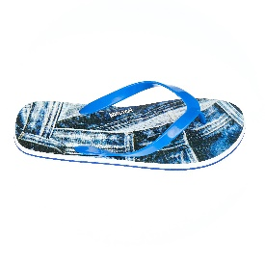 | J. CAVALLI Beachwear | MEN | FLIP FLOPS | EVA+PVC | CHINA | A94 151 RMC | AZZURRO | 8300816318255 | 6401.10.00 | 41 | 37 | € 23.00 | € 851.00 | € 55.00 | € 2,035.00
 | J. CAVALLI Beachwear | MEN | FLIP FLOPS | EVA+PVC | CHINA | A94 151 RMC | AZZURRO | 8300816318262 | 6401.10.00 | 42 | 140 | € 23.00 | € 3,220.00 | € 55.00 | € 7,700.00
 | J. CAVALLI Beachwear | MEN | FLIP FLOPS | EVA+PVC | CHINA | A94 151 RMC | AZZURRO | 8300816318279 | 6401.10.00 | 43 | 539 | € 23.00 | € 12,397.00 | € 55.00 | € 29,645.00
 | J. CAVALLI Beachwear | MEN | FLIP FLOPS | EVA+PVC | CHINA | A94 151 RMC | AZZURRO | 8300816318286 | 6401.10.00 | 44 | 792 | € 23.00 | € 18,216.00 | € 55.00 | € 43,560.00
 | J. CAVALLI Beachwear | MEN | FLIP FLOPS | EVA+PVC | CHINA | A94 151 RMC | AZZURRO | 8300816318293 | 6401.10.00 | 45 | 537 | € 23.00 | € 12,351.00 | € 55.00 | € 29,535.00
 | J. CAVALLI Beachwear | MEN | FLIP FLOPS | EVA+PVC | CHINA | A94 151 RMC | AZZURRO | 8300816337621 | 6401.10.00 | 46 | 219 | € 23.00 | € 5,037.00 | € 55.00 | € 12,045.00
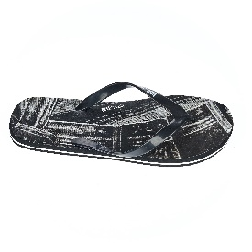 | J. CAVALLI Beachwear | MEN | FLIP FLOPS | EVA+PVC | CHINA | A94 151 RMC | BLACK | 8300816318330 | 6401.10.00 | 43 | 31 | € 23.00 | € 713.00 | € 55.00 | € 1,705.00
 | J. CAVALLI Beachwear | MEN | FLIP FLOPS | EVA+PVC | CHINA | A94 151 RMC | BLACK | 8300816318347 | 6401.10.00 | 44 | 186 | € 23.00 | € 4,278.00 | € 55.00 | € 10,230.00
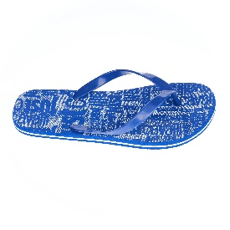 | J. CAVALLI Beachwear | MEN | FLIP FLOPS | EVA+PVC | CHINA | E94 151 RMC | BLU COBALTO | 8300816318736 | 6401.10.00 | 43 | 110 | € 23.00 | € 2,530.00 | € 55.00 | € 6,050.00
 | J. CAVALLI Beachwear | MEN | FLIP FLOPS | EVA+PVC | CHINA | E94 151 RMC | BLU COBALTO | 8300816318743 | 6401.10.00 | 44 | 442 | € 23.00 | € 10,166.00 | € 55.00 | € 24,310.00
 | J. CAVALLI Beachwear | MEN | FLIP FLOPS | EVA+PVC | CHINA | E94 151 RMC | BLU COBALTO | 8300816318750 | 6401.10.00 | 45 | 319 | € 23.00 | € 7,337.00 | € 55.00 | € 17,545.00
 | J. CAVALLI Beachwear | MEN | FLIP FLOPS | EVA+PVC | CHINA | E94 151 RMC | BLU COBALTO | 8300816337645 | 6401.10.00 | 46 | 121 | € 23.00 | € 2,783.00 | € 55.00 | € 6,655.00
 | J. CAVALLI Beachwear | MEN | SWIMWEAR | 100%Polyestere | CHINA | C35 151 RMC | 532C/BLACK | 8300816314202 | 6112.41.90 | M | 2 | € 50.00 | € 100.00 | € 120.00 | € 240.00
 | J. CAVALLI Beachwear | MEN | SWIMWEAR | 100%Polyestere | CHINA | C35 151 RMC | 532C/BLACK | 8300816314219 | 6112.41.90 | L | 102 | € 50.00 | € 5,100.00 | € 120.00 | € 12,240.00
 | J. CAVALLI Beachwear | MEN | SWIMWEAR | 100%Polyestere | CHINA | C35 151 RMC | 532C/BLACK | 8300816314226 | 6112.41.90 | XL | 260 | € 50.00 | € 13,000.00 | € 120.00 | € 31,200.00
 | J. CAVALLI Beachwear | MEN | SWIMWEAR | 100%Polyestere | CHINA | C35 151 RMC | 532C/BLACK | 8300816314233 | 6112.41.90 | XXL | 5 | € 50.00 | € 250.00 | € 120.00 | € 600.00
 | J. CAVALLI Beachwear | MEN | SWIMWEAR | 100%Nylon | CHINA | F35 151 RMC | 532C/BLU | 8300816315094 | 6112.41.90 | L | 2 | € 50.00 | € 100.00 | € 120.00 | € 240.00
 | J. CAVALLI Beachwear | MEN | SWIMWEAR | 100%Nylon | CHINA | F35 151 RMC | 532C/BLU | 8300816315157 | 6112.41.90 | XXL | 5 | € 50.00 | € 250.00 | € 120.00 | € 600.00
 | J. CAVALLI Beachwear | MEN | SWIMWEAR | 100%Nylon | CHINA | F35 151 RMC | 102C/YELLOW | 8300816315056 | 6112.41.90 | XL | 2 | € 50.00 | € 100.00 | € 120.00 | € 240.00
 | J. CAVALLI Beachwear | MEN | SWIMWEAR | 100%Nylon | CHINA | F35 151 RMC | 102C/YELLOW | 8300816315063 | 6112.41.90 | XXL | 1 | € 50.00 | € 50.00 | € 120.00 | € 120.00
 | J. CAVALLI Beachwear | MEN | SWIMWEAR | 100%Polyestere | CHINA | I35 151 RMC | 385C/LIME | 8300816315964 | 6112.41.90 | M | 32 | € 50.00 | € 1,600.00 | € 120.00 | € 3,840.00
 | J. CAVALLI Beachwear | MEN | SWIMWEAR | 100%Polyestere | CHINA | I35 151 RMC | 385C/LIME | 8300816315971 | 6112.41.90 | L | 273 | € 50.00 | € 13,650.00 | € 120.00 | € 32,760.00
 | J. CAVALLI Beachwear | MEN | SWIMWEAR | 100%Polyestere | CHINA | I35 151 RMC | 385C/LIME | 8300816315988 | 6112.41.90 | XL | 378 | € 50.00 | € 18,900.00 | € 120.00 | € 45,360.00
 | J. CAVALLI Beachwear | MEN | SWIMWEAR | 100%Polyestere | CHINA | I35 151 RMC | 385C/LIME | 8300816315995 | 6112.41.90 | XXL | 95 | € 50.00 | € 4,750.00 | € 120.00 | € 11,400.00
 | J. CAVALLI Beachwear | MEN | SWIMWEAR | 100%Polyestere | CHINA | Y35 151 RMC | 653C/JEANS | 8300816253167 | 6112.41.90 | M | 747 | € 50.00 | € 37,350.00 | € 120.00 | € 89,640.00
 | J. CAVALLI Beachwear | MEN | SWIMWEAR | 100%Polyestere | CHINA | Y35 151 RMC | 653C/JEANS | 8300816316305 | 6112.41.90 | L | 1582 | € 50.00 | € 79,100.00 | € 120.00 | € 189,840.00
 | J. CAVALLI Beachwear | MEN | SWIMWEAR | 100%Polyestere | CHINA | Y35 151 RMC | 653C/JEANS | 8300816316312 | 6112.41.90 | XL | 1682 | € 50.00 | € 84,100.00 | € 120.00 | € 201,840.00
 | J. CAVALLI Beachwear | MEN | SWIMWEAR | 100%Polyestere | CHINA | Y35 151 RMC | 653C/JEANS | 8300816316329 | 6112.41.90 | XXL | 862 | € 50.00 | € 43,100.00 | € 120.00 | € 103,440.00
 | J. CAVALLI Beachwear | MEN | SWIMWEAR | 100%Polyestere | CHINA | Y35 151 RMC | 01/BLACK | 8300816316268 | 6112.41.90 | L | 132 | € 50.00 | € 6,600.00 | € 120.00 | € 15,840.00
 | J. CAVALLI Beachwear | MEN | SWIMWEAR | 100%Polyestere | CHINA | Y35 151 RMC | 01/BLACK | 8300816316275 | 6112.41.90 | XL | 171 | € 50.00 | € 8,550.00 | € 120.00 | € 20,520.00
 | J. CAVALLI Beachwear | MEN | SWIMWEAR | 100%Polyestere | CHINA | Y35 151 RMC | 01/BLACK | 8300816316282 | 6112.41.90 | XXL | 151 | € 50.00 | € 7,550.00 | € 120.00 | € 18,120.00
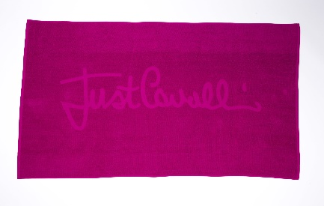 | J. CAVALLI Beachwear | MEN | ACCESSORIES | 100%cotone | PAKISTAN | D85 15GRBC | MAGENTA | 8300816305231 | 6302.99.90 | UNI | 75 | € 50.00 | € 3,750.00 | € 120.00 | € 9,000.00
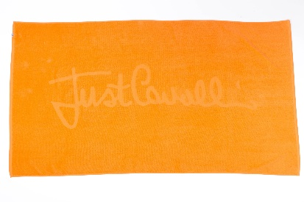 | J. CAVALLI Beachwear | MEN | ACCESSORIES | 100%cotone | PAKISTAN | D85 15GRBC | ORANGE | 8300816305248 | 6302.99.90 | UNI | 16 | € 50.00 | € 800.00 | € 120.00 | € 1,920.00
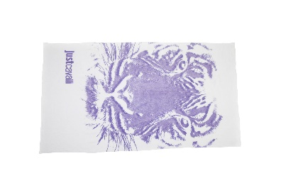 | J. CAVALLI Beachwear | MEN | ACCESSORIES | 100%cotone | PAKISTAN | A85 15GRMC | WHITE | 8300816249757 | 6302.99.90 | UNI | 128 | € 50.00 | € 6,400.00 | € 120.00 | € 15,360.00
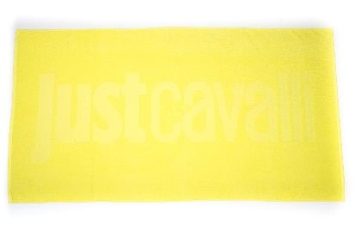 | J. CAVALLI Beachwear | MEN | ACCESSORIES | 100%cotone | PAKISTAN | B85 15GRMC | GIALLO | 8300816252306 | 6302.99.90 | UNI | 213 | € 50.00 | € 10,650.00 | € 120.00 | € 25,560.00

